Skylake-U22 Survey Tracking
No |  | Skylake-U22 MAS | Quanta CQ | Pegatron Suzhou | Inventec | Compal | Wistron CQ/Asus | Wistron CD | Wistron KS | Compal KS (Lenovo_Asus) | Compal KS (HP) | Compal KS (Dell) | Customer (ODM/OEM info)
 | General Question
0.1 | Did you receive latest Skylake MAS? | Rev 3.0 or Latest | Rev #: Rev2.7 | Rev #: Rev 2.5 | Rev #: | Rev #: | Rev #: | Rev #: | Rev #: | Rev #: | Rev #: 2.7 | Rev #: 3.0 | Rev #: Rev3.0
 | Name of provider |  | Name: Alan Su | Name: | Name: | Name: | Name: | Name: | Name: | Name: Liuyongliang | Name:555734_Skylake_Mobile_MAS_Rev_2_7_from_6_19_15_all_modules | Name: gary_li | Name:Yongguo_Li/heartstar_li
 | email contact person |  | email: Alan.Su@quantatw.com | email: | email: | email: | email: | email: | email: | email: Lan_Lau@compal.com | email:mars_feng @compal.com | email:gary_li@compal.com | email:Yongguo_Li@compal.com/Heartstar_Li@compal.com/
 | Phone number |  | Phone Number: +86-15000-971-601 | Phone Number: | Phone Number: | Phone Number: | Phone Number: | Phone Number: | Phone Number: | Phone Number: 158 9563 5929 | Phone Number:13584990824 | Phone Number:0512-57355000-20663 | Phone Number:17783700304/13773186095

 | PCB Details
1 | PCB pad design (Skylake-U22 Processor) |  | Red: 12mil Blue: 12mil Green: 13mil Purple:14mil Orange: 13.5mil * 10mil | Red: 12mil&16mil Blue: 12mil&16mil Green: 17mil Purple:18mil Orange:14*17.5mil | Red: 0.3048 mm Blue: 0.3048 mm Green: 0.3302 mm Purple: 0.3556 mm Orange: 0.3429mm*0.254mm | Red: Blue: Green: Purple: Orange: | Red: 12mil Blue: 12mil Green: 13mil Purple: 14 mil Orange: 13 x 10 | Red: Blue: Green: Purple: Orange: | 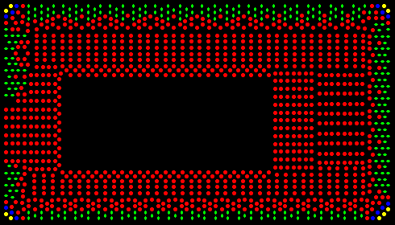 Green：10X13.5MIL oval Red：12MIL round Blue：13MIL round Yellow：14MIL round | 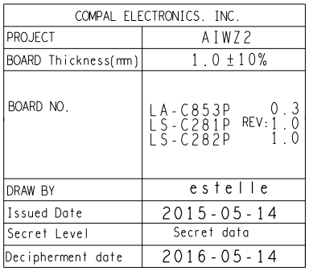 Red: 0.3044MM （Circle） Blue: 0.3044MM （Circle） Green: 0.3299MM （Circle） Purple: 0.3555MM （Circle） Orange: 0.3044*0.2541 (Ellipse) | Red: 12mil Blue: 12mil Green: 13mil Purple:14mil Orange:13.5mil | Red: 12mil Blue: 12mil Green: 13mil Purple:14mil Orange:13.5*10mil | Red: Blue: Green: Purple: Orange:
2 | PCB Thickness | N/A. Depend on customer | PCB Thickness: 1.0mm | PCB Thickness:1.2mm | PCB Thickness: 1.0mm | PCB Thickness: | PCB Thickness: | PCB Thickness: | PCB Thickness: | PCB Thickness: 1.0mm ±10% | PCB Thickness:1.2mm | PCB Thickness:1.2mm | PCB Thickness:1.0mm

 | Paste / Screen Print
3 | Solder paste vendor/model/type | Notes: •See the Manufacturing with Intel® FCBGA Components for Solder Joint Quality MAS for deeper training of warpage fundamentals and information on solder paste performance testing. •Disclaimer: These results are provided for informational purposes only and that any sourcing decision is solely at the discretion of the Customer. Intel neither warrants, nor makes any representation whatsoever as to any supplier’s products, including its suitability for the application for which this information is provided. •*Other names and brands may be claimed as the property of others. | Solder Paste Vendor: Shenmao Solder Paste Model: Shenmao PF606-P Solder Paste Type: Halogenated | Solder Paste Vendor:Shenmao PF606-P Solder Paste Model:Shenmao PF606-P Solder Paste Type: Shenmao PF606-P | Solder Paste Vendor: Shenmao Solder Paste Model: PF606-P Solder Paste Type: Halogenated (H) | Solder Paste Vendor: Yunnan Tin and Shenmao PF606-P Solder Paste Model: YW9-3005-98CY04 Solder Paste Type: | Solder Paste Vendor: Solder Paste Model: Solder Paste Type: | Solder Paste Vendor: Solder Paste Model: Solder Paste Type: | Solder Paste Vendor: Solder Paste Model: Solder Paste Type: | Solder Paste Vendor: Shenmao Solder Paste Model: AIWZ2 Solder Paste Type: PF606-P | Solder Paste Vendor: YUNXI Solder Paste Model:YW9-3009-98CY04 Solder Paste Type: type 4 | Solder Paste Vendor:Shenmao & YunTin Solder Paste Model:PF606-P & YW9-3005098CY04 Solder Paste Type: SAC305 | Solder Paste Vendor:SHENMAO Solder Paste Model:PF606-P Solder Paste Type: 4
4 | Screen print machine and model | N/A. Depend on customer | Screen Print Machine: Dek Screen Print Model: Horizon 03iX | Screen Print Machine: DEK Screen Print Model: | Screen Print Machine: DEK Screen Print Model: Infinity Api | Screen Print Machine: Dek Screen Print Model: | Screen Print Machine: Screen Print Model: | Screen Print Machine: Screen Print Model: | Screen Print Machine: Screen Print Model: | Screen Print Machine: DEK Screen Print Model: DEK-API | Screen Print Machine: DEK Screen Print Model: Horizon 03IX | Screen Print Machine: DEK Screen Print Model: | Screen Print Machine: DEK Screen Print Model: Print/print
5 | Stencil thickness | 101.6µm (4 mil) and 127µm (5 mil) | Stencil Thickness: 0.12mm | Stencil Thickness: 0.1mm | Stencil Thickness: 0.13mm (0.1mm) | Stencil Thickness: 0.13mm | Stencil Thickness: 0.10mm | Stencil Thickness: 0.10mm | Stencil Thickness: 0.10mm | Stencil Thickness: 0.13MM | Stencil Thickness: 0.1MM | Stencil Thickness: 5mil | Stencil Thickness: 127um（5 mil）
6 | Stencil Design for 101.6 µm (4 mils) and 127 µm (5 mils) Thick Stencil (Skylake-U22 Processor) |  | Red: (Aperture shape & size): 15*25mil Orange: (Aperture shape & size): 16mil square Green: (Aperture shape & size): 15.75mil Circle Blue: (Aperture shape & size): 15.75mil Circle Grey: (Aperture shape & size): 15.75mil Circle * If using square apertures, please provide the corner radius being used. | Red: (Aperture shape & size): 15*25mil Orange: (Aperture shape & size): 16mil Square Green: (Aperture shape & size): 15mil Square Blue: (Aperture shape & size):13mil Square Grey: (Aperture shape & size):11mil Circular * If using square apertures, please provide the corner radius being used. | Red: (Aperture shape & size): Square & 0.381mm*0.635mm (R=0.05mm) Orange: (Aperture shape & size): Square & 0.4064mm*0.4064mm (R=0.05mm) Green: (Aperture shape & size): Square & 0.381mm*0.381mm (R=0.05mm) Blue: (Aperture shape & size):Square & 0.3302mm*0.3302mm (R=0.05mm) Grey: (Aperture shape & size): Round & 0.2794mm * If using square apertures, please provide the corner radius being used. | Red: (Aperture shape & size): 15x20mil Orange: (Aperture shape & size): square 14.3mil Green: (Aperture shape & size): square 13.5mil Blue: (Aperture shape & size): square 13mil Grey: (Aperture shape & size): square 13 mil * If using square apertures, please provide the corner radius being used. | Red: (Aperture shape & size): 13 x 18 Orange: (Aperture shape & size): Green: (Aperture shape & size): Blue: (Aperture shape & size): Grey: (Aperture shape & size): * If using square apertures, please provide the corner radius being used. | 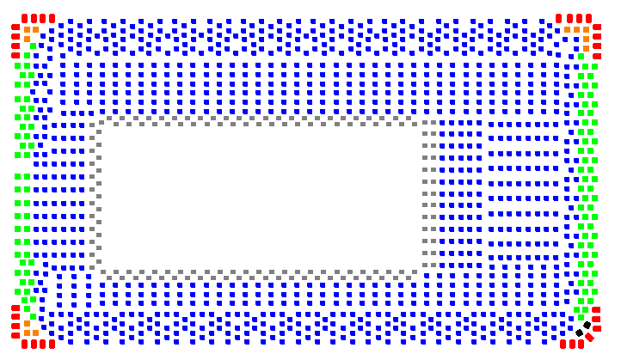 Red：14*22mil Green：15*15mil Blue：13*13mil Grey :11.5*11.5mil Orange：15*15MIL Black：16*16mil | 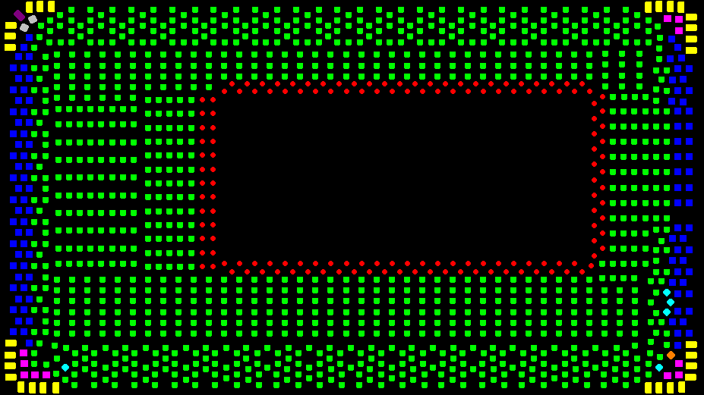 Green：13MIL corner chamfer Red：11MIL round Blue：15MIL corner chamfer Pink：16MIL corner chamfer Sky Blue：13MIL corner chamfer and rotate 45 Orange：15MIL corner chamfer and rotate 45 Purple：15X25MIL corner chamfer and rotate 45 Yellow：15X25MIL corner chamfer and rotate 45 | Red: (Aperture shape & size): ==>0.5087MM square apertures with out Chamfer Orange: (Aperture shape & size): ==>0.3655MM square apertures（Chamfer=0.045MM ） Green: (Aperture shape & size): ==>0.034MM square apertures（Chamfer=0.045MM ） Blue: (Aperture shape & size): ==>0.034MM square apertures（Chamfer=0.045MM ） Grey: (Aperture shape & size): ==>0.034MM Circle * If using square apertures, please provide the corner radius being used. | Red: (Aperture shape & size): rectangle 15*25mil Orange: (Aperture shape & size): square 16mil CR:2mil Green: (Aperture shape & size): square 15mil CR:2mil Blue: (Aperture shape & size):square 13mil CR:2mil Grey: (Aperture shape & size): circular 11mil * If using square apertures, please provide the corner radius being used. | Red: (Aperture shape & size): Rectange: 0.381*0.508mm Orange: (Aperture shape & size): square 0.363mm Green: (Aperture shape & size): square: 0.343mm Blue: (Aperture shape & size): square: 0.33mm Grey: (Aperture shape & size): round:0.33mm. * If using square apertures, please provide the corner radius being used. 0.05mm | 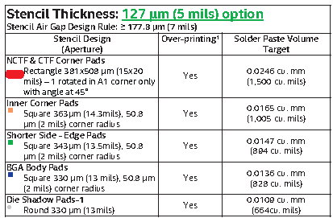 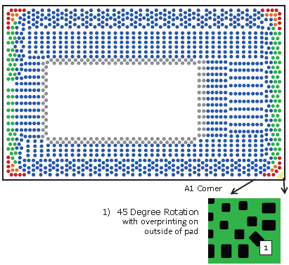 Red: (Aperture shape & size): Orange: (Aperture shape & size): Green: (Aperture shape & size): Blue: (Aperture shape & size): Grey: (Aperture shape & size): * If using square apertures, please provide the corner radius being used.

 | Pick and Place
7 | BGA pick and place equipment suppliers | N/A. Depend on customer | Pick and Place Equipment: NPM Pick and Place Model: NM-EJM1D | Pick and Place Equipment:NXT Pick and Place Model: | Pick and Place Equipment: Panasonic Pick and Place Model: DT401 | Pick and Place Equipment: Panasonic Pick and Place Model: DT401 | Pick and Place Equipment: Pick and Place Model: | Pick and Place Equipment: Pick and Place Model: | Pick and Place Equipment: Pick and Place Model: | Pick and Place Equipment: PANA Pick and Place Model: DT-401 | Pick and Place Equipment: Panasonic NPM Pick and Place Model: KXF-417C | Pick and Place Equipment: Pana DT401 Pick and Place Model: | Pick and Place Equipment: Panasonic DT401 Pick and Place Model:
8 | Solder Ball Recognition % | 100% | Solder Ball Recognition %: 100% | Solder Ball Recognition %:100% | Solder Ball Recognition %: 100% | Solder Ball Recognition %: 100% | Solder Ball Recognition %: 100% | Solder Ball Recognition %: 100% | Solder Ball Recognition %: 100% | Solder Ball Recognition %: 100% | Solder Ball Recognition %: 100 | Solder Ball Recognition %: 100%. | Solder Ball Recognition %:100%

 | Customer reflow profile parameter
9 | Measurement for substrate peak temp | <260 °C | Peak Substrate Temp: 243degC | Peak Substrate Temp: 240~250°C | Peak Substrate Temp: Non-Testing | Peak Substrate Temp: | Peak Substrate Temp: | Peak Substrate Temp: | Peak Substrate Temp: | Peak Substrate Temp: <260 °C | Peak Substrate Temp: <250°c | Peak Substrate Temp: 250 ℃ | Peak Substrate Temp: <245℃
10 | Reflow with pallet? | Minimizing board warpage to be <50 µm (< 2 mils) during reflow is recommended. One way to do this is to use a pallet with a spring clamp design. | Using Pallet (Yes/No): Yes Does Pallet Have Clamps (Yes/No): Yes | Using Pallet (Yes/No):Yes Does Pallet Have Clamps (Yes/No):No | Using Pallet (Yes/No): Yes Does Pallet Have Clamps (Yes/No): Yes | Using Pallet (Yes/No): Yes Does Pallet Have Clamps (Yes/No): No | Using Pallet (Yes/No): Yes Does Pallet Have Clamps (Yes/No): No | Using Pallet (Yes/No): Yes Does Pallet Have Clamps (Yes/No): No | Using Pallet (Yes/No): Yes Does Pallet Have Clamps (Yes/No): No | Using Pallet (Yes/No): Yes Does Pallet Have Clamps (Yes/No): No | Using Pallet (Yes/No): Yes Does Pallet Have Clamps (Yes/No):No | Using Pallet (Yes/No): Yes Does Pallet Have Clamps (Yes/No): N | Using Pallet (Yes/No):yes Does Pallet Have Clamps (Yes/No):no
11 | Reflow Profile | Peak Temp: 235 - 250°C TAL: 40-90 seconds for N2 (02<3000 PPM) Soak Temp and Time: Paste dependent; follow paste manufacturer’s requirements Delta T: Control ΔT across component to <10°C | Peak Temperature: 243°C TAL: 60~70 seconds Soak Temperature and Time: 150C~180C, 90~100 seconds Delta T: didn't measure it | Peak Temperature:240~250°C TAL:50~80Sec Soak Temperature and Time:over 220°C 40~70Sec Delta T: | Peak Temperature:244.39℃&244.55℃ TAL:82.84s&84.19s(>217℃) Soak Temperature and Time:155℃~185℃ 82.8s&76.47s Delta T:0.16 °C | Peak Temperature: 235 - 250 deg C TAL: 40 - 90 sec Soak Temperature and Time: 60 - 100 sec (150 - 190 deg C) Delta T: | Peak Temperature: TAL: Soak Temperature and Time: Delta T: | Peak Temperature: TAL: Soak Temperature and Time: Delta T: | Peak Temperature: TAL: Soak Temperature and Time: Delta T: | Peak Temperature: TAL: 40-90 seconds for N2 (02<3000 PPM) Soak Temperature and Time: Delta T: Control ΔT across component to <10°C | Peak Temperature:240-250 TAL:60-90S Soak Temperature and Time: 150-190 °C 60-100S Delta T: <10°C | Peak Temperature: 250 TAL: Soak Temperature and Time: >220 ℃ 40-70S Delta T: | Peak Temperature:235℃~245℃ TAL:50-90 seconds for N2 (02<3000 PPM) Soak Temperature and Time:50-90 seconds Delta T: NA
12 | Reflow Environment? | N2 (02<3000 PPM) is recommended [air is acceptable but not recommended]. | N2 Environment (Yes/No): Yes If using N2, what is the measured O2 PPM: ~2000 | N2 Environment (Yes/No):Yes If using N2, what is the measured O2 PPM:O2<1000PPM | N2 Environment (Yes/No): Yes If using N2, what is the measured O2 PPM: < 1,000 PPM | N2 Environment (Yes/No): Yes If using N2, what is the measured O2 PPM: | N2 Environment (Yes/No): Yes If using N2, what is the measured O2 PPM: | N2 Environment (Yes/No): Yes If using N2, what is the measured O2 PPM: | N2 Environment (Yes/No): Yes If using N2, what is the measured O2 PPM: | N2 Environment (Yes/No): If using N2, what is the measured O2 PPM: | N2 Environment (Yes/No):Yes If using N2, what is the measured O2 PPM:<1500DPPM | N2 Environment (Yes/No): Yes If using N2, what is the measured O2 PPM: 5%. | N2 Environment (Yes/No):Yes If using N2, what is the measured O2 PPM: (02<3000 PPM)
13 | Reflow equipment suppliers | N/A. Depend on customer | Reflow Equipment: Rehm Reflow Equipment Model: VXs 944 N2 Reflow | Reflow Equipment: Reflow Equipment Model: | Reflow Equipment: Rehm Reflow Equipment Model: V9 | Reflow Equipment: BTU Reflow Equipment Model: Pyramax | Reflow Equipment: Reflow Equipment Model: | Reflow Equipment: Reflow Equipment Model: | Reflow Equipment: Reflow Equipment Model: | Reflow Equipment: HELLER Reflow Equipment Model: 1913 MX Ⅲ | Reflow Equipment:HELLER Reflow Equipment Model: 1913 MK | Reflow Equipment: Heller Reflow Equipment Model: 1913 | Reflow Equipment:Heller Reflow Equipment Model: 1912/1913

 | Corner Glue or Underfill (Adhesive)
14 | Corner Adhesive or Underfill for Skylake-U22 Processors? | N/A. Depend on customer | Adhesive Usage (Yes/No): Yes If Yes, Model/Type: Corner Adhesive | Adhesive Usage (Yes/No):Yes If Yes, Model/Type: | Adhesive Usage (Yes/No): Yes If Yes, Model/Type: Loctite 3619 | Adhesive Usage (Yes/No): If Yes, Model/Type: | Adhesive Usage (Yes/No): If Yes, Model/Type: | Adhesive Usage (Yes/No): If Yes, Model/Type: | Adhesive Usage (Yes/No): If Yes, Model/Type: | Adhesive Usage (Yes/No): Yes If Yes, Model/Type: Tailide-3689 | Adhesive Usage (Yes/No):Yes If Yes, Model/Type:3705 | Adhesive Usage (Yes/No): Y If Yes, Model/Type: UV 乐泰3705 | Adhesive Usage (Yes/No):Yes If Yes, Model/Type:U-BOND/UB-4305
 | a. If "Yes", is it before reflow or after reflow? |  | Applied Before or After Reflow? After | After Reflow | Applied Before or After Reflow? After Reflow | Applied Before or After Reflow? | Applied Before or After Reflow? | Applied Before or After Reflow? | Applied Before or After Reflow? | Applied Before or After Reflow? After | Applied Before or After Reflow? After | Applied Before or After Reflow? After | Applied Before or After Reflow? After Reflow
 | b. If "Yes", is it before test or after test? |  | Applied Before or After Test? Before | Before Test | Applied Before or After Test? Before | Applied Before or After Test? | Applied Before or After Test? | Applied Before or After Test? | Applied Before or After Test? | Applied Before or After Test? Before | Applied Before or After Test?before | Applied Before or After Test? Before | Applied Before or After Test? Before Test

Skylake-Y Survey Tracking
No |  | Skylake-Y MAS | Pegatron Suzhou | Inventec | Compal KS (Lenovo_Asus) | Compal KS (Dell) | Quanta CQ
 | General Question
0.1 | Did you receive latest Skylake MAS? | Rev 3.0 or Latest | Rev #: Rev 2.5 | Rev #: | Rev #: | Rev #: 3.0mm | Rev #:
 | Name of provider |  | Name: | Name: | Name: Liuyongliang | Name:gary_li | Name:
 | email contact person |  | email: | email: | email: Lan_Lau@compal.com | email:gary_li@compal.com | email:
 | Phone number |  | Phone Number: | Phone Number: | Phone Number: 158 9563 5929 | Phone Number: 0512-57355000-20663 | Phone Number:

 | PCB Details
1 | PCB pad design (Skylake-Y Processor) |  | Red: 9.85mil Green: 9.85mil Blue: 11mil Orange:11mil | Red: 0.25mm Green: 0.25mm Blue: 0.28mm Orange:0.28mm | 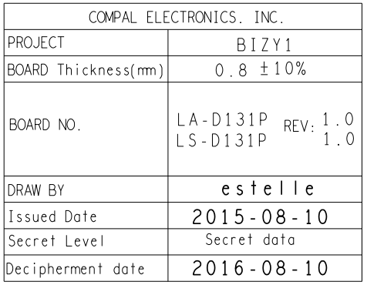 Red: 0.2540MM（circle） Green: 0.2540MM（circle） Blue: 0.2794MM（circle） Orange:0.2794MM（circle） | Red: 0.25mm Green: 0.25mm Blue: 0.28mm Orange:0.28mm | Red: 9.8mil Green: 9.8mil Blue: 11mil Orange:15mil
2 | PCB Thickness | N/A. Depend on customer | PCB Thickness:1.2mm | PCB Thickness:0.8mm | PCB Thickness: 0.8mm ±10% | PCB Thickness: 0.8mm/1.0mm | PCB Thickness:0.08

 | Paste / Screen Print
3 | Solder paste vendor/model/type | Notes: •See the Manufacturing with Intel® FCBGA Components for Solder Joint Quality MAS for deeper training of warpage fundamentals and information on solder paste performance testing. •Disclaimer: These results are provided for informational purposes only and that any sourcing decision is solely at the discretion of the Customer. Intel neither warrants, nor makes any representation whatsoever as to any supplier’s products, including its suitability for the application for which this information is provided. •*Other names and brands may be claimed as the property of others. | Solder Paste Vendor:Shenmao PF606-P Solder Paste Model:Shenmao PF606-P Solder Paste Type: Shenmao PF606-P | Solder Paste Vendor: Shenmao Solder Paste Model: PF606-P Solder Paste Type: Halogenated (H) | Solder Paste Vendor: Shenmao Solder Paste Model: AIWZ2 Solder Paste Type: PF606-P | Solder Paste Vendor:Shenmao & YunTin Solder Paste Model:PF606-P & YW9-3005098CY04 Solder Paste Type: SAC305 | Solder Paste Vendor:Shenmao Solder Paste Model:Shenmao PF606-P Solder Paste Type: Halogenated
4 | Screen print machine and model | N/A. Depend on customer | Screen Print Machine: DEK Screen Print Model: | Screen Print Machine: DEK Screen Print Model: Infinity Api | Screen Print Machine: DEK Screen Print Model: DEK-API | Screen Print Machine: DEK Screen Print Model: | Screen Print Machine: DEK Screen Print Model: Horizon 03iX
5 | Stencil thickness | 101.6µm (4 mil) and 127µm (5 mil) | Stencil Thickness: 3mil | Stencil Thickness: 0.10mm | Stencil Thickness: 0.10MM | Stencil Thickness: 0.1mm | Stencil Thickness: 0.08
6 | Stencil Design for 76µm (3 mils) and 102 µm (4 mils) Thick Stencil (Skylake-Y Processor) |  | Red: (Aperture shape & size): 10mil Green: (Aperture shape & size): 10mil Blue: (Aperture shape & size):9mil * If using square apertures, please provide the corner radius being used. | Red: (Aperture shape & size): Round & 0.26mm Green: (Aperture shape & size): Round & 0.26mm Blue: (Aperture shape & size):Round & 0.228mm * If using square apertures, please provide the corner radius being used. | Red: (Aperture shape & size): ==>0.2530MM square apertures（Chamfer=0.05MM ） Green: (Aperture shape & size): ==>0.2530MM square apertures（Chamfer=0.05MM ） Blue: (Aperture shape & size): ==>0.2285MM circle * If using square apertures, please provide the corner radius being used. | Red: (Aperture shape & size): round: 0.267mm Green: (Aperture shape & size): round 0.267mm Blue: (Aperture shape & size): round: 0.229mm * If using square apertures, please provide the corner radius being used. | Red: (Aperture shape & size): 9.8mil and 9.9mil Green: (Aperture shape & size): 11mil and 11.1mil Blue: (Aperture shape & size):9.9mil and 11mil * If using square apertures, please provide the corner radius being used.

 | Pick and Place
7 | BGA pick and place equipment suppliers | N/A. Depend on customer | Pick and Place Equipment:NXT Pick and Place Model: | Pick and Place Equipment: Panasonic Pick and Place Model: DT401 | Pick and Place Equipment: PANA Pick and Place Model: DT-401 | Pick and Place Equipment: Pana DT401 Pick and Place Model: | Pick and Place Equipment:NPM Pick and Place Model: NM-EJM1D
8 | Solder Ball Recognition % | 100% | Solder Ball Recognition %:100% | Solder Ball Recognition %: 100% | Solder Ball Recognition %: 100% | Solder Ball Recognition %: 100% | Solder Ball Recognition %:100%

 | Customer reflow profile parameter
9 | Measurement for substrate peak temp | <260 °C | Peak Substrate Temp: 240~250°C | Peak Substrate Temp: Non-Testing | Peak Substrate Temp: <260 °C | Peak Substrate Temp: 250℃ | Peak Substrate Temp: 243
10 | Reflow with pallet? | Minimizing board warpage to be <50 µm (< 2 mils) during reflow is recommended. One way to do this is to use a pallet with a spring clamp design. | Using Pallet (Yes/No):Yes Does Pallet Have Clamps (Yes/No):No | Using Pallet (Yes/No): Yes Does Pallet Have Clamps (Yes/No): No | Using Pallet (Yes/No): Yes Does Pallet Have Clamps (Yes/No): No | Using Pallet (Yes/No): Yes Does Pallet Have Clamps (Yes/No):no | Using Pallet (Yes/No):Yes Does Pallet Have Clamps (Yes/No):Yes
11 | Reflow Profile | Peak Temp: 235 - 250°C TAL: 40-90 seconds for N2 (02<3000 PPM) Soak Temp and Time: Paste dependent; follow paste manufacturer’s requirements Delta T: Control ΔT across component to <10°C | Peak Temperature:240~250°C TAL:50~80Sec Soak Temperature and Time:over 220°C 40~70Sec Delta T: | Peak Temperature:247.26-247.56 °C TAL:>217°C (93.54s-94.69s) Soak Temperature and Time:155-185°C (76.36s-79.86s) Delta T: 0.3°C | Peak Temperature: TAL: 40-90 seconds for N2 (02<3000 PPM) Soak Temperature and Time: Delta T: Control ΔT across component to <10°C | Peak Temperature:250 TAL: Soak Temperature and Time: >220℃ 40-70S Delta T: | Peak Temperature:244 TAL: Soak Temperature and Time:155至185 Delta T:
12 | Reflow Environment? | N2 (02<3000 PPM) is recommended [air is acceptable but not recommended]. | N2 Environment (Yes/No):Yes If using N2, what is the measured O2 PPM:O2<1000PPM | N2 Environment (Yes/No): Yes If using N2, what is the measured O2 PPM: < 1,000 PPM | N2 Environment (Yes/No): If using N2, what is the measured O2 PPM: | N2 Environment (Yes/No):Y If using N2, what is the measured O2 PPM:4% | N2 Environment (Yes/No):Yes If using N2, what is the measured O2 PPM:500
13 | Reflow equipment suppliers | N/A. Depend on customer | Reflow Equipment: Reflow Equipment Model: | Reflow Equipment: Rehm Reflow Equipment Model: VXs 944 | Reflow Equipment: HELLER Reflow Equipment Model: 1913 MX Ⅲ | Reflow Equipment: Heller Reflow Equipment Model: 1913 | Reflow Equipment: Rehm Reflow Equipment Model: VXs 944 N2 Reflow

 | Corner Glue or Underfill (Adhesive)
14 | Corner Adhesive or Underfill for Skylake-Y Processors? | N/A. Depend on customer | Adhesive Usage (Yes/No):Yes If Yes, Model/Type: | Adhesive Usage (Yes/No): Yes If Yes, Model/Type: Loctite 3619 | Adhesive Usage (Yes/No): Yes If Yes, Model/Type: Tailide-3689 | Adhesive Usage (Yes/No): If Yes, Model/Type: Yes | Adhesive Usage (Yes/No):Yes If Yes, Model/Type:Corner Adhesive
 | a. If "Yes", is it before reflow or after reflow? |  | After Reflow | Applied Before or After Reflow? After Reflow | Applied Before or After Reflow? After | Applied Before or After Reflow? After | Applied Before or After Reflow?After
 | b. If "Yes", is it before test or after test? |  | Before Test | Applied Before or After Test? Before Test | Applied Before or After Test? Before | Applied Before or After Test? Before | Applied Before or After Test?Before

